Samples and Simple Model
Simplified Dispersion Model
 | -2log(di)
1.8647552418 | 2.2041199827
1.464986865 | 2.1760912591
1.1087406833 | 2.2041199827
1.5789025898 | 2.1760912591
0.24413754919 | 2.6812412374
0.11520465043 | 2.3802112417
1.9273633366 | 2.2552725051
2.4189013399 | 2.2304489214
-0.21856673571 | 2.5563025008
0.16557994636 | 2.1760912591
0.76366820553 | 2.2304489214
0.13957327647 | 2.591064607
-0.22713131173 | 2.1760912591
-0.32590003986 | 2.2552725051
-0.10039507642 | 2.5682017241
0.43457993086 | 2.8195439355
1.3564045949 | 2.3222192947
0.38401960202 | 3.0755469614
0.47844209391 | 2.2041199827
0.69219364156 | 2.2041199827
1.2881800819 | 2.2304489214
1.0210853978 | 1.903089987
0.85389060057 | 2.1461280357
0.50892272948 | 2.4313637642
0.39468096054 | 2.2304489214
0.32393687465 | 2.5185139399
0.75015680179 | 2.4623979979
-0.055526864359 | 2.4313637642
Sample ID | Latitude | Longitude | Latitude (radians) | Longitude (radians) | ICPMS | XRF | 1st part | 2nd part | d i (km) | log(C soil, XRF) | -2log(di) | Lat source (rad) | Long source (rad)
001 | 39.153888889 | -86.509166667 | 0.68336427607 | -1.5098697915 | 110.20835091 | 160 | 0.39867633011 | 0.60132366972 | 0.11684829483 | 2.2041199827 | 1.8647552418 | 0.68337145131 | -1.5098480331 | 39.1543 | -86.50792
002 | 39.153888889 | -86.51 | 0.68336427607 | -1.5098843359 |  | 150 | 0.39867633011 | 0.60132366947 | 0.18514268917 | 2.1760912591 | 1.464986865
003 | 39.153888889 | -86.511111111 | 0.68336427607 | -1.5099037284 | 128.10689464 | 160 | 0.39867633011 | 0.60132366893 | 0.27901635336 | 2.2041199827 | 1.1087406833
004 | 39.154722222 | -86.509722222 | 0.68337882048 | -1.5098794878 |  | 150 | 0.39868345144 | 0.60131654823 | 0.16238604523 | 2.1760912591 | 1.5789025898
005 | 39.154295 | -86.516673 | 0.68337136405 | -1.5100008017 | 206.34881921 | 480 | 0.39867980058 | 0.6013201924 | 0.75497266121 | 2.6812412374 | 0.24413754919
006 | 39.155987 | -86.517838 | 0.68340089502 | -1.5100211348 |  | 240 | 0.39869425956 | 0.601305731 | 0.87578534734 | 2.3802112417 | 0.11520465043
 | XRF |  | Simplified Model |  | Gaussian
0.11684829483 | 160 | 0.025 | 740.47970478 | 0.025 | 1.6239186204E-10
0.18514268917 | 150 | 0.075 | 552.83711029 | 0.05 | 0.40822244053
0.27901635336 | 160 | 0.125 | 482.59700472 | 0.075 | 11.92158546
0.16238604523 | 150 | 0.175 | 441.27979068 | 0.1 | 28.781419023
0.75497266121 | 480 | 0.225 | 412.74442573 | 0.125 | 36.196185896
0.87578534734 | 240 | 0.275 | 391.29018664 | 0.15 | 36.377240523
0.10872222501 | 180 | 0.325 | 374.28309967 | 0.175 | 33.487242599
 |  | 0.375 | 360.30364074 | 0.2 | 29.748871667
0.061737541351 | 170 | 0.425 | 348.50524343 | 0.225 | 26.079205428
1.2861255556 | 360 | 0.475 | 338.34526101 | 0.25 | 22.792199932
0.82643752196 | 150 | 0.525 | 329.45648981 | 0.275 | 19.954512391
0.41511258224 | 170 | 0.575 | 321.57971998 | 0.3 | 17.540431866
0.85155629111 | 390 | 0.625 | 314.52566149 | 0.325 | 15.495674936
1.2988699098 | 150 | 0.675 | 308.15218046 | 0.35 | 13.762420931
1.4552915911 | 180 | 0.725 | 302.35003777 | 0.375 | 12.288251983
1.1225289188 | 370 | 0.775 | 297.03360066 | 0.4 | 11.028565425
0.60633136511 | 660 | 0.825 | 292.1345915 | 0.425 | 9.946470358
0.20979624102 | 210 | 0.875 | 287.59776109 | 0.45 | 9.0118350278
0.64267321352 | 1190 | 0.925 | 283.37782008 | 0.475 | 8.2001585663
0.57647297582 | 160 | 0.975 | 279.43721607 | 0.5 | 7.4915203462
0.45071621153 | 160 | 1.025 | 275.74449273 | 0.525 | 6.869684745
0.22693942965 | 170 | 1.075 | 272.27305828 | 0.55 | 6.3213688436
0.30864361791 | 80 | 1.125 | 269.00024712 | 0.575 | 5.8356552666
0.37415771075 | 140 | 1.175 | 265.90659538 | 0.6 | 5.40352582
0.55659414721 | 270 | 1.225 | 262.97527456 | 0.625 | 5.0174923967
0.63483303726 | 170 | 1.275 | 260.19164395 | 0.65 | 4.6713049005
0.68870234648 | 330 | 1.325 | 257.54289337 | 0.675 | 4.3597196684
0.42162038365 | 290 | 1.375 | 255.01775516 | 0.7 | 4.0783152666
 |  | 1.425 | 252.60627019 | 0.725 | 3.8233453827
1.0660152858 | 270 | 1.475 | 250.29959622 | 0.75 | 3.5916208191
 |  | 1.525 | 248.08984962 | 0.775 | 3.3804143841
 |  | 1.575 | 245.96997409 | 0.8 | 3.1873838677
 |  | 1.625 | 243.93363067 | 0.825 | 3.0105093619
 |  | 1.675 | 241.97510543 | 0.85 | 2.848042008
 |  |  |  | 0.875 | 2.69846189
 |  |  |  | 0.9 | 2.5604432831
 |  |  |  | 0.925 | 2.4328258433
 |  |  |  | 0.95 | 2.3145906182
 |  |  |  | 0.975 | 2.2048399895
 |  |  |  | 1 | 2.1027808327
 |  |  |  | 1.025 | 2.0077103246
 |  |  |  | 1.05 | 1.9190039355
 |  |  |  | 1.075 | 1.8361052336
 |  |  |  | 1.1 | 1.7585171972
 |  |  |  | 1.125 | 1.6857947871
 |  |  |  | 1.15 | 1.617538576
 |  |  |  | 1.175 | 1.5533892657
 |  |  |  | 1.2 | 1.4930229569
 |  |  |  | 1.225 | 1.4361470531
 |  |  |  | 1.25 | 1.3824967067
...
007 | 39.154444444 | -86.509166667 | 0.68337397234 | -1.5098697915 |  | 180 | 0.39868107767 | 0.60131892218 | 0.10872222501 | 2.2552725051 | 1.9273633366
008 | 39.1548606 | -86.5119652 | 0.68338123563 | -1.5099186351
009 | 39.154444444 | -86.508611111 | 0.68337397234 | -1.5098600952 | 157.27299358 | 170 | 0.39868107767 | 0.60131892228 | 0.061737541351 | 2.2304489214 | 2.4189013399
010 | 39.155277778 | -86.522777778 | 0.68338851676 | -1.5101073502 |  | 360 | 0.39868819895 | 0.60131178069 | 1.2861255556 | 2.5563025008 | -0.21856673571
011 | 39.154166667 | -86.5175 | 0.68336912421 | -1.5100152356 | 52.932173393 | 150 | 0.3986787039 | 0.60132128769 | 0.82643752196 | 2.1760912591 | 0.16557994636
012 | 39.1548526 | -86.5126797 | 0.683381096 | -1.5099311055 |  | 170 | 0.39868456559 | 0.60131543229 | 0.41511258224 | 2.2304489214 | 0.76366820553
013 | 39.154722222 | -86.517777778 | 0.68337882048 | -1.5100200837 |  | 390 | 0.39868345144 | 0.60131653963 | 0.85155629111 | 2.591064607 | 0.13957327647
014 | 39.157222222 | -86.5225 | 0.68342245371 | -1.5101025021 |  | 150 | 0.39870481492 | 0.60129516431 | 1.2988699098 | 2.1760912591 | -0.22713131173
015 | 39.156944444 | -86.524444444 | 0.68341760558 | -1.510136439 |  | 180 | 0.39870244124 | 0.60129753269 | 1.4552915911 | 2.2552725051 | -0.32590003986
016 | 39.158055556 | -86.52 | 0.68343699812 | -1.5100588688 |  | 370 | 0.39871193592 | 0.60128804857 | 1.1225289188 | 2.5682017241 | -0.10039507642 |  |  | Gaussian dispersion model in Gaussian sheet
017 | 39.1575 | -86.513611111 | 0.68342730185 | -1.5099473617 |  | 660 | 0.3987071886 | 0.60129280688 | 0.60633136511 | 2.8195439355 | 0.43457993086
018 | 39.155277778 | -86.51 | 0.68338851676 | -1.5098843359 | 280.70347629 | 210 | 0.39868819895 | 0.60131180051 | 0.20979624102 | 2.3222192947 | 1.3564045949 |  |  | Simplified Model Output
019 | 39.156629 | -86.514739 | 0.68341210003 | -1.5099670471 |  | 1190 | 0.39869974568 | 0.60130024924 | 0.64267321352 | 3.0755469614 | 0.38401960202 |  |  | d i | -2log(di) | log(C soil, XRF) | [Pb] (ppb)
020 | 39.156491 | -86.513977 | 0.68340969148 | -1.5099537476 |  | 160 | 0.39869856642 | 0.60130142949 | 0.57647297582 | 2.2041199827 | 0.47844209391 | K' | 277.56163311 | 0.025 | -3.2041199827 | 2.8695131598 | 740.47970478
021 | 39.1557799 | -86.5127846 | 0.68339728044 | -1.5099329363 | 112.95762888 | 160 | 0.39869248981 | 0.60130750769 | 0.45071621153 | 2.2041199827 | 0.69219364156 | slope | -0.13300180017 | 0.075 | -2.2498774732 | 2.7425971882 | 552.83711029
022 | 39.1548874 | -86.5104397 | 0.68338170338 | -1.5098920101 |  | 170 | 0.39868486297 | 0.60131513639 | 0.22693942965 | 2.2304489214 | 1.2881800819 | y int | 2.4433594341 | 0.125 | -1.806179974 | 2.6835846221 | 482.59700472
023 | 39.155555556 | -86.511111111 | 0.68339336489 | -1.5099037284 | 116.02406383 | 80 | 0.39869057269 | 0.60130942614 | 0.30864361791 | 1.903089987 | 1.0210853978 |  |  | 0.175 | -1.5139239026 | 2.6447140385 | 441.27979068
024 | 39.155555556 | -86.511944444 | 0.68339336489 | -1.5099182729 |  | 140 | 0.39869057269 | 0.60130942559 | 0.37415771075 | 2.1461280357 | 0.85389060057 | Simplified Model Output |  | 0.225 | -1.2956349638 | 2.6156812167 | 412.74442573
025 | 39.155555556 | -86.514166667 | 0.68339336489 | -1.509957058 |  | 270 | 0.39869057269 | 0.6013094235 | 0.55659414721 | 2.4313637642 | 0.50892272948 | Average | 325.28932157 | 0.275 | -1.1213346123 | 2.5924989562 | 391.29018664
026 | 39.154444444 | -86.515277778 | 0.68337397234 | -1.5099764505 |  | 170 | 0.39868107767 | 0.60131891737 | 0.63483303726 | 2.2304489214 | 0.39468096054 | Median | 289.8661763 | 0.325 | -0.97623327804 | 2.5732002175 | 374.28309967
 | XRF |  | Gaussian
0.11684829483 | 160 | 0.025 | 1.6239186204E-10
0.18514268917 | 150 | 0.05 | 0.40822244053
0.27901635336 | 160 | 0.075 | 11.92158546
0.16238604523 | 150 | 0.1 | 28.781419023
0.75497266121 | 480 | 0.125 | 36.196185896
0.87578534734 | 240 | 0.15 | 36.377240523
0.10872222501 | 180 | 0.175 | 33.487242599
 |  | 0.2 | 29.748871667
0.061737541351 | 170 | 0.225 | 26.079205428
1.2861255556 | 360 | 0.25 | 22.792199932
0.82643752196 | 150 | 0.275 | 19.954512391
0.41511258224 | 170 | 0.3 | 17.540431866
0.85155629111 | 390 | 0.325 | 15.495674936
1.2988699098 | 150 | 0.35 | 13.762420931
1.4552915911 | 180 | 0.375 | 12.288251983
1.1225289188 | 370 | 0.4 | 11.028565425
0.60633136511 | 660 | 0.425 | 9.946470358
0.20979624102 | 210 | 0.45 | 9.0118350278
0.64267321352 | 1190 | 0.475 | 8.2001585663
0.57647297582 | 160 | 0.5 | 7.4915203462
0.45071621153 | 160 | 0.525 | 6.869684745
0.22693942965 | 170 | 0.55 | 6.3213688436
0.30864361791 | 80 | 0.575 | 5.8356552666
0.37415771075 | 140 | 0.6 | 5.40352582
0.55659414721 | 270 | 0.625 | 5.0174923967
0.63483303726 | 170 | 0.65 | 4.6713049005
0.68870234648 | 330 | 0.675 | 4.3597196684
0.42162038365 | 290 | 0.7 | 4.0783152666
 |  | 0.725 | 3.8233453827
1.0660152858 | 270 | 0.75 | 3.5916208191
 |  | 0.775 | 3.3804143841
 |  | 0.8 | 3.1873838677
 |  | 0.825 | 3.0105093619
 |  | 0.85 | 2.848042008
 |  | 0.875 | 2.69846189
 |  | 0.9 | 2.5604432831
 |  | 0.925 | 2.4328258433
 |  | 0.95 | 2.3145906182
 |  | 0.975 | 2.2048399895
 |  | 1 | 2.1027808327
 |  | 1.025 | 2.0077103246
 |  | 1.05 | 1.9190039355
 |  | 1.075 | 1.8361052336
 |  | 1.1 | 1.7585171972
 |  | 1.125 | 1.6857947871
 |  | 1.15 | 1.617538576
 |  | 1.175 | 1.5533892657
 |  | 1.2 | 1.4930229569
 |  | 1.225 | 1.4361470531
 |  | 1.25 | 1.3824967067
...
027 | 39.156111111 | -86.515555556 | 0.68340306117 | -1.5099812986 | 82.226082955 | 330 | 0.39869532014 | 0.60130467402 | 0.68870234648 | 2.5185139399 | 0.32393687465 | Min | 241.97510543 | 0.375 | -0.85193746454 | 2.5566686505 | 360.30364074
028 | 39.154722222 | -86.512777778 | 0.68337882048 | -1.5099328173 |  | 290 | 0.39868345144 | 0.60131654637 | 0.42162038365 | 2.4623979979 | 0.75015680179 | Max | 740.47970478 | 0.425 | -0.7432221399 | 2.5422093167 | 348.50524343
 | [Pb] (ppb)
0.025 | 740.47970478
0.075 | 552.83711029
0.125 | 482.59700472
0.175 | 441.27979068
0.225 | 412.74442573
0.275 | 391.29018664
0.325 | 374.28309967
0.375 | 360.30364074
0.425 | 348.50524343
0.475 | 338.34526101
0.525 | 329.45648981
0.575 | 321.57971998
0.625 | 314.52566149
0.675 | 308.15218046
0.725 | 302.35003777
0.775 | 297.03360066
0.825 | 292.1345915
0.875 | 287.59776109
0.925 | 283.37782008
0.975 | 279.43721607
1.025 | 275.74449273
1.075 | 272.27305828
1.125 | 269.00024712
1.175 | 265.90659538
1.225 | 262.97527456
1.275 | 260.19164395
1.325 | 257.54289337
1.375 | 255.01775516
1.425 | 252.60627019
1.475 | 250.29959622
1.525 | 248.08984962
1.575 | 245.96997409
1.625 | 243.93363067
1.675 | 241.97510543
029 | 39.157222222 | -86.517777778 | 0.68342245371 | -1.5100200837 |  |  |  |  |  |  |  |  |  | 0.475 | -0.64661278075 | 2.529360098 | 338.34526101
030 | 39.154444444 | -86.520277778 | 0.68337397234 | -1.510063717 | 204.01149196 | 270 | 0.39868107767 | 0.60131890834 | 1.0660152858 | 2.4313637642 | -0.055526864359 |  |  | 0.525 | -0.55968139319 | 2.5177980669 | 329.45648981
 |  |  |  |  |  |  |  |  |  |  |  |  |  | 0.575 | -0.48066431062 | 2.5072886527 | 321.57971998
 |  |  |  |  |  |  |  |  |  |  |  |  |  | 0.625 | -0.40823996531 | 2.4976560844 | 314.52566149
 |  |  |  |  |  |  |  |  |  |  |  |  |  | 0.675 | -0.34139245434 | 2.4887652451 | 308.15218046
 |  |  |  |  |  |  |  |  |  |  |  |  |  | 0.725 | -0.27932398686 | 2.4805100272 | 302.35003777
 |  |  |  |  |  |  |  |  |  |  |  |  |  | 0.775 | -0.22139659499 | 2.4728055798 | 297.03360066
 |  |  |  |  |  |  |  |  |  |  |  |  |  | 0.825 | -0.1670921029 | 2.4655829846 | 292.1345915
 |  |  |  |  |  |  |  |  |  |  |  |  |  | 0.875 | -0.11598389396 | 2.4587855008 | 287.59776109
 |  |  |  |  |  |  |  |  |  |  |  |  |  | 0.925 | -0.067716534522 | 2.4523658551 | 283.37782008
 |  |  |  |  |  |  |  |  |  |  |  |  |  | 0.975 | -0.021990768603 | 2.4462842459 | 279.43721607
 |  |  |  |  |  |  |  |  |  |  |  |  |  | 1.025 | 0.021447730784 | 2.4405068473 | 275.74449273
 |  |  |  |  |  |  |  |  |  |  |  |  |  | 1.075 | 0.062816928503 | 2.4350046695 | 272.27305828
 |  |  |  |  |  |  |  |  |  |  |  |  |  | 1.125 | 0.10230504489 | 2.429752679 | 269.00024712
 |  |  |  |  |  |  |  |  |  |  |  |  |  | 1.175 | 0.14007573322 | 2.4247291094 | 265.90659538
 |  |  |  |  |  |  |  |  |  |  |  |  |  | 1.225 | 0.1762721774 | 2.4199149172 | 262.97527456
 |  |  |  |  |  |  |  |  |  |  |  |  |  | 1.275 | 0.21102036954 | 2.4152933451 | 260.19164395
 |  |  |  |  |  |  |  |  |  |  |  |  |  | 1.325 | 0.24443175655 | 2.4108495705 | 257.54289337
 |  |  |  |  |  |  |  |  |  |  |  |  |  | 1.375 | 0.27660539633 | 2.4065704185 | 255.01775516
 |  |  |  |  |  |  |  |  |  |  |  |  |  | 1.425 | 0.30762972869 | 2.4024441264 | 252.60627019
 |  |  |  |  |  |  |  |  |  |  |  |  |  | 1.475 | 0.33758404063 | 2.398460149 | 250.29959622
 |  |  |  |  |  |  |  |  |  |  |  |  |  | 1.525 | 0.36653968737 | 2.3946089959 | 248.08984962
 |  |  |  |  |  |  |  |  |  |  |  |  |  | 1.575 | 0.39456111625 | 2.3908820954 | 245.96997409
 |  |  |  |  |  |  |  |  |  |  |  |  |  | 1.625 | 0.42170673063 | 2.3872716798 | 243.93363067
 |  |  |  |  |  |  |  |  |  |  |  |  |  | 1.675 | 0.44802962275 | 2.3837706878 | 241.97510543

ICPMS
Calibration
Sample | Est. conc. | Response TC | Response IS | Conc. ISTD | Area Pb * [IS] / area IS | [Pb] (ppb) | Linear Fit Parameters
blank | 0 | 3652.36 | 827876 | 25 | 0.1103 |  | slope | 15.656680212
5 ppb Pb | 5.256 | 2742508.53 | 831448 | 25 | 82.4619 |  | y int | 9.5922123279
10 ppb Pb | 10.741 | 5672704.65 | 842203 | 25 | 168.3889 |  | R^2 | 0.9999963366
50 ppb Pb | 51.582 | 27313187.84 | 844794 | 25 | 808.2797
100 ppb Pb | 104.946 | 54743647.68 | 832306 | 25 | 1644.3361
1000 ppb Pb | 999.418 | 513657938.35 | 820087 | 25 | 15658.6487
Blank_01 | 0 | 715798.29 | 750887 | 25 | 23.8318
Blank_02 | 0 | 1295971.46 | 821960 | 25 | 39.4171
3 |  | 75416009.37 | 839622 | 25 | 2245.5340 | 128.1069
21 |  | 76070976.86 | 946935 | 25 | 2008.3468 | 112.9576
9 |  | 89679051.66 | 829692 | 25 | 2702.1783 | 157.2730
30 |  | 113504307.81 | 826340 | 25 | 3433.9480 | 204.0115
11 |  | 32194978.15 | 753242 | 25 | 1068.5474 | 52.9322
1 |  | 64435037.54 | 819658 | 25 | 1965.3022 | 110.2084
5 |  | 118082336.24 | 850604 | 25 | 3470.5428 | 206.3488
27 |  | 48732123.4 | 797740 | 25 | 1527.1928 | 82.2261
23 |  | 69254592.22 | 841957 | 25 | 2056.3570 | 116.0241
18 |  | 152435991.73 | 822256 | 25 | 4634.6899 | 280.7035
 |  |  |  |  | Average -> | 145.0792
 |  |  |  |  | Median -> | 122.0655
 |  |  |  |  | Max -> | 280.7035
 |  |  |  |  | Min -> | 52.9322
 |  |  |  |  | stdev -> | 64.491266512
 |  |  |  |  | std error -> | 20.393929137

Gaussian
Constants |  | x (m) | x (km) | sigma y (m) | sigma z (m) | C(x,0,0) (ug/m3) | C(x,0,0) (ppb)
Qs (g/s) | 2 | 25 | 0.025 | 5.2832156026 | 1.9258800984 | 1.3761797061E-09 | 1.6239186204E-10
u (km/hr) | 11.00 | 50 | 0.05 | 9.7568556623 | 3.9082368101 | 3.4594556106 | 0.40822244053
stack height (m) | 10 | 75 | 0.075 | 13.968528061 | 5.912484924 | 101.0287324 | 11.92158546
plume rise (m) | 5 | 100 | 0.1 | 18.018615854 | 7.9310830287 | 243.90634035 | 28.781419023
total height H (m) | 15 | 125 | 0.125 | 21.952641643 | 9.9604192673 | 306.74231974 | 36.196185896
Rz | 0.072 | 150 | 0.15 | 25.796583437 | 11.998354019 | 308.27665588 | 36.377240523
rz | 1.021 | 175 | 0.175 | 29.567193231 | 14.043467196 | 283.78554873 | 33.487242599
Ry | 0.306 | 200 | 0.2 | 33.276142287 | 16.094745806 | 252.10495744 | 29.748871667
ry | 0.885 | 225 | 0.225 | 36.932010895 | 18.151430094 | 221.00659978 | 26.079205428
Class: | B | 250 | 0.25 | 40.541361934 | 20.212928758 | 193.15107672 | 22.792199932
Molecular weight Pb | 207.2 | 275 | 0.275 | 44.109370568 | 22.2787683 | 169.10327065 | 19.954512391
 |  | 300 | 0.3 | 47.640217646 | 24.348560888 | 148.64529581 | 17.540431866
 |  | 325 | 0.325 | 51.137347921 | 26.421982951 | 131.31713075 | 15.495674936
EPA Lead Emissions |  | 350 | 0.35 | 54.603646416 | 28.498760376 | 116.62877779 | 13.762420931
Gaussian Derivation & Stability |  | 375 | 0.375 | 58.041562919 | 30.578657936 | 104.13602498 | 12.288251983
Average | 9.1894879638 | 400 | 0.4 | 61.453202314 | 32.661471532 | 93.460889818 | 11.028565425
Median | 4.5155122844 | 425 | 0.425 | 64.840391674 | 34.747022383 | 84.290742666 | 9.946470358
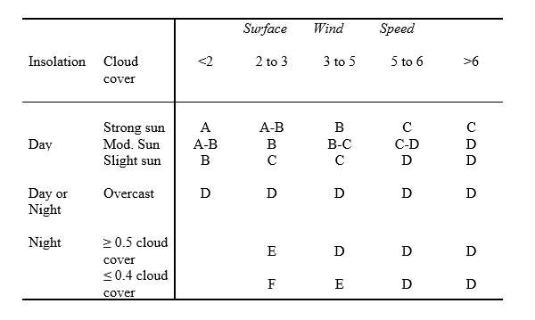
Min | 1.6239186204E-10 | 450 | 0.45 | 68.204731121 | 36.835152567 | 76.370233855 | 9.0118350278
Max | 36.377240523 | 475 | 0.475 | 71.547633061 | 38.925721568 | 69.491732308 | 8.2001585663
 |  | 500 | 0.5 | 74.870352925 | 41.018603534 | 63.486421911 | 7.4915203462
 |  | 525 | 0.525 | 78.174013596 | 43.113685087 | 58.216714894 | 6.869684745
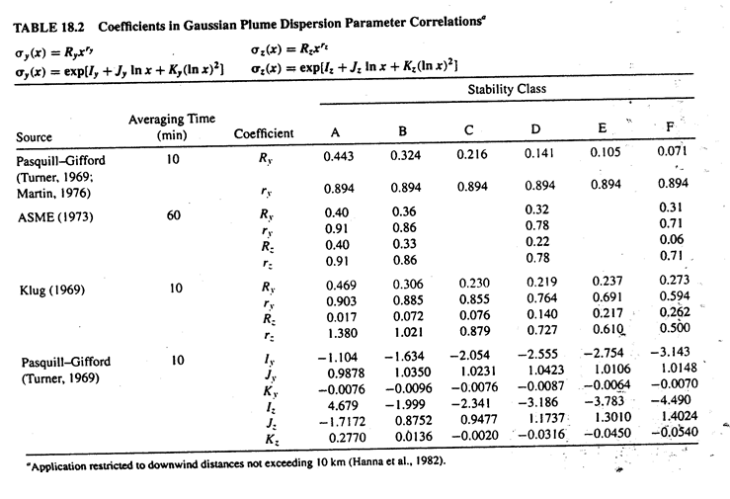
 |  | 550 | 0.55 | 81.459625039 | 45.210863555 | 53.570045988 | 6.3213688436
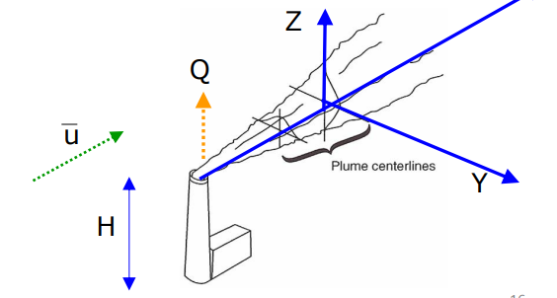
 |  | 575 | 0.575 | 84.728100279 | 47.310045514 | 49.453896574 | 5.8356552666
 |  | 600 | 0.6 | 87.980268508 | 49.411145592 | 45.791842532 | 5.40352582
 |  | 625 | 0.625 | 91.216885958 | 51.514085463 | 42.520426364 | 5.0174923967
 |  | 650 | 0.65 | 94.438644976 | 53.618793013 | 39.58668202 | 4.6713049005
 |  | 675 | 0.675 | 97.646181674 | 55.725201621 | 36.946172404 | 4.3597196684
 |  | 700 | 0.7 | 100.8400824 | 57.833249556 | 34.561428353 | 4.0783152666
 |  | 725 | 0.725 | 104.02088929 | 59.942879452 | 32.400701975 | 3.8233453827
 |  | 750 | 0.75 | 107.18910497 | 62.054037865 | 30.436966614 | 3.5916208191
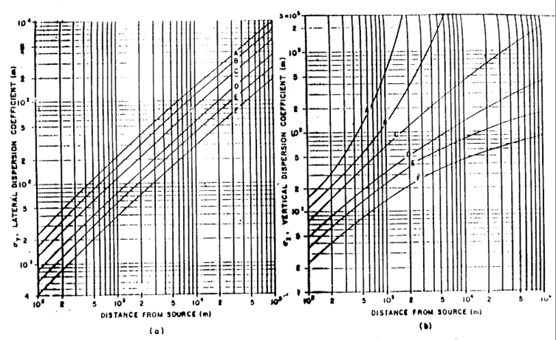
 |  | 775 | 0.775 | 110.34519671 | 64.166674876 | 28.647110854 | 3.3804143841
 |  | 800 | 0.8 | 113.48959991 | 66.28074376 | 27.011285783 | 3.1873838677
 |  | 825 | 0.825 | 116.62272125 | 68.396200681 | 25.512373816 | 3.0105093619
 |  | 850 | 0.85 | 119.74494138 | 70.513004434 | 24.135554358 | 2.848042008
 |  | 875 | 0.875 | 122.8566173 | 72.631116215 | 22.867946978 | 2.69846189
 |  | 900 | 0.9 | 125.95808445 | 74.750499415 | 21.698316902 | 2.5604432831
 |  | 925 | 0.925 | 129.0496586 | 76.871119441 | 20.616830868 | 2.4328258433
 |  | 950 | 0.95 | 132.13163749 | 78.992943548 | 19.614853828 | 2.3145906182
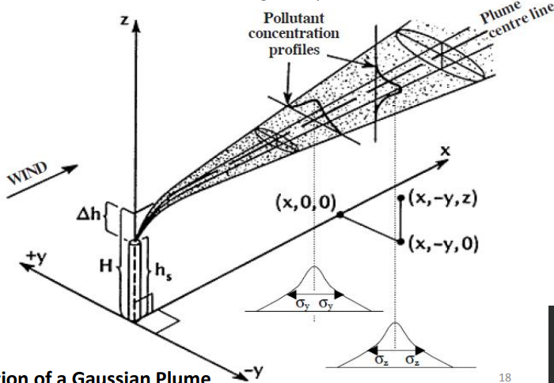
 |  | 975 | 0.975 | 135.20430229 | 81.115940701 | 18.68477897 | 2.2048399895
 |  | 1000 | 1 | 138.26791898 | 83.240081438 | 17.819885011 | 2.1027808327
 |  | 1025 | 1.025 | 141.32273945 | 85.365337756 | 17.014215921 | 2.0077103246
 |  | 1050 | 1.05 | 144.36900263 | 87.491683007 | 16.262479159 | 1.9190039355
 |  | 1075 | 1.075 | 147.40693542 | 89.619091795 | 15.559959281 | 1.8361052336
 |  | 1100 | 1.1 | 150.4367536 | 91.747539896 | 14.902444305 | 1.7585171972
 |  | 1125 | 1.125 | 153.45866255 | 93.877004177 | 14.286162777 | 1.6857947871
 |  | 1150 | 1.15 | 156.47285804 | 96.007462521 | 13.707729773 | 1.617538576
 |  | 1175 | 1.175 | 159.47952682 | 98.138893763 | 13.164100444 | 1.5533892657
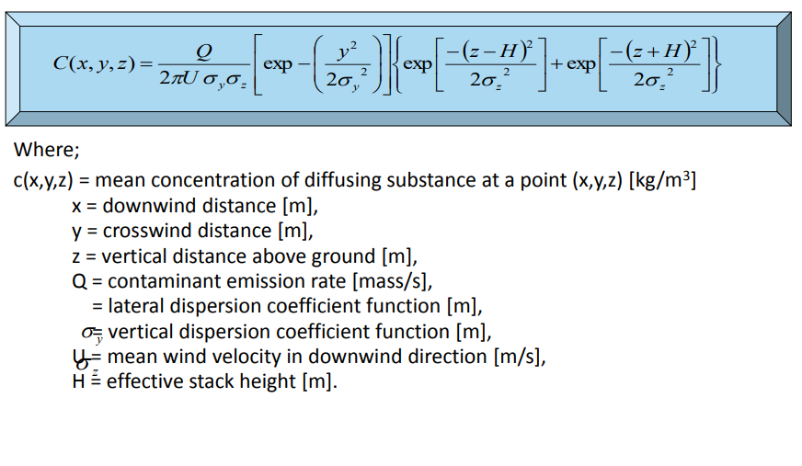
 |  | 1200 | 1.2 | 162.47884727 | 100.27127763 | 12.652529925 | 1.4930229569
 |  | 1225 | 1.225 | 165.47098989 | 102.40459469 | 12.170538626 | 1.4361470531
 |  | 1250 | 1.25 | 168.45611787 | 104.53882628 | 11.715882112 | 1.3824967067
 |  | 1275 | 1.275 | 171.43438745 | 106.6739545 | 11.286524881 | 1.3318317247
 |  | 1300 | 1.3 | 174.40594844 | 108.80996213 | 10.880617492 | 1.2839338691
 |  | 1325 | 1.325 | 177.37094454 | 110.9468326 | 10.496476539 | 1.2386044951
 |  | 1350 | 1.35 | 180.32951374 | 113.08454997 | 10.13256711 | 1.1956624799
 |  | 1375 | 1.375 | 183.2817886 | 115.22309889 | 9.7874873462 | 1.1549424016
 |  | 1400 | 1.4 | 186.22789661 | 117.36246454 | 9.4599548532 | 1.1162929351
 |  | 1425 | 1.425 | 189.16796044 | 119.50263265 | 9.1487946954 | 1.0795754358
 |  | 1450 | 1.45 | 192.10209823 | 121.64358943 | 8.8529287737 | 1.0446626859
 |  | 1475 | 1.475 | 195.03042379 | 123.78532156 | 8.571366407 | 1.0114377831
 |  | 1500 | 1.5 | 197.95304687 | 125.92781617 | 8.3031959635 | 0.97979315303
 |  | 1525 | 1.525 | 200.87007334 | 128.07106082 | 8.047577412 | 0.94962967048 | --> I converted to km/hr
 |  | 1550 | 1.55 | 203.78160543 | 130.21504347 | 7.8037356772 | 0.92085587504
 |  | 1575 | 1.575 | 206.68774184 | 132.35975246 | 7.5709547042 | 0.89338727084
 |  | 1600 | 1.6 | 209.58857801 | 134.50517651 | 7.3485721446 | 0.8671456995
 |  | 1625 | 1.625 | 212.4842062 | 136.65130466 | 7.1359745929 | 0.84205877798
 |  | 1650 | 1.65 | 215.37471567 | 138.79812632 | 6.9325933084 | 0.81805939377
 |  | 1675 | 1.675 | 218.26019282 | 140.94563119 | 6.737900366 | 0.79508525072

